Foot Vectors
 | datum |  | angle | vector |  |  | Foot 1 |  | Foot 2 |  | Foot 3 |  | Foot 4 |  | Foot 5 |  | Foot 6 |  | Direction |  | Rotation
 | x | y | theta | x' | y' |  | x | y | x | y | x | y | x | y | x | y | x | y | x | y | x | y
foot 1 | 2.598 | 1.500 | 0.000 | 2.598 | 1.500 | Datum | 2.598 | 1.500 | 0.000 | 3.000 | -2.598 | 1.500 | -2.598 | -1.500 | 0.000 | -3.000 | 2.598 | -1.500 | 0 | 0 | 0 | 0
foot 2 | 0.000 | 3.000 | 0.000 | 0.000 | 3.000 | Vector | 2.598 | 1.500 | 0.000 | 3.000 | -2.598 | 1.500 | -2.598 | -1.500 | 0.000 | -3.000 | 2.598 | -1.500 | 0 | 0 | 0 | 0
foot 3 | -2.598 | 1.500 | 0.000 | -2.598 | 1.500
foot 4 | -2.598 | -1.500 | 0.000 | -2.598 | -1.500
foot 5 | 0.000 | -3.000 | 0.000 | 0.000 | -3.000
foot 6 | 2.598 | -1.500 | 0.000 | 2.598 | -1.500

Resting Radius | 3
Body Radius | 2

Joystick Inputs
 | Variable | Range | Value
Joystick 1 | Qx | (-1 to 1) | 0 | 100
 | Qy | (-1 to 1) | 0 | 100
Joystick 2 | T | (-1 to 1) | 0 | 100

Angles
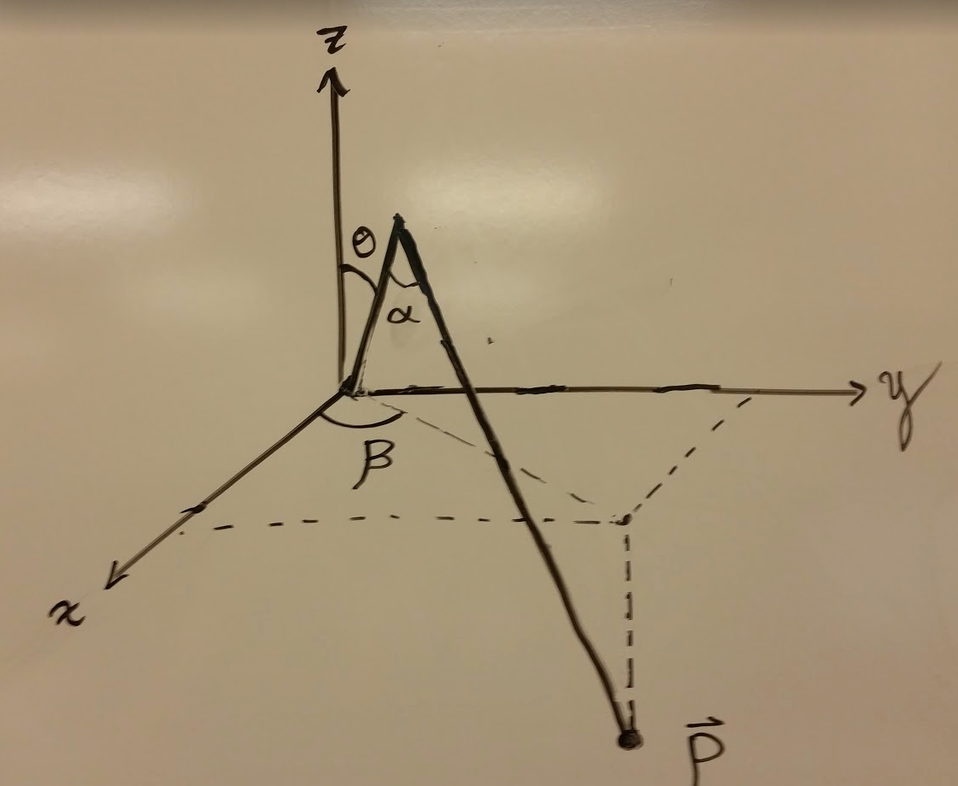
 | Local Coordinates |  |  | Limit Coordinates (min) |  |  | Limit Coordinates (max) |  |  | Foot vector Datum |  |  | Leg Base Coordinates |  |  | Global Coordinates |  |  |  | In Radians |  |  | In Degrees
 | X | Y | Z | X | Y | Z | X | Y | Z | X | Y | Z | X | Y | Z | Angle | X | Y | Z | Alpha | Theta | Beta | Alpha | Theta | Beta
Leg 1 | 1.00 | -0.50 | -2.00 | 1.91 | 1.10 | -2.00 | 4.33 | 2.50 | -0.20 | 2.60 | 1.50 | -1.00 | 1.73 | 1.00 | 0.00 | 0.52 | 2.85 | 1.07 | -2.00 | 1.59 | -0.55 | -0.46 | 91.19 | -31.57 | -26.57
Leg 2 | 1.00 | 0.00 | -2.00 | 0.00 | 2.20 | -2.00 | 0.00 | 5.00 | -0.20 | 0.00 | 3.00 | -1.00 | 0.00 | 2.00 | 0.00 | 1.57 | 0.00 | 3.00 | -2.00 | 1.57 | -0.64 | 0.00 | 90.00 | -36.87 | 0.00
Leg 3 | 1.00 | 0.00 | -2.00 | -1.91 | 1.10 | -2.00 | -4.33 | 2.50 | -0.20 | -2.60 | 1.50 | -1.00 | -1.73 | 1.00 | 0.00 | 2.62 | -2.60 | 1.50 | -2.00 | 1.57 | -0.64 | 0.00 | 90.00 | -36.87 | 0.00
Leg 4 | 1.00 | 0.00 | -2.00 | -1.91 | -1.10 | -2.00 | -4.33 | -2.50 | -0.20 | -2.60 | -1.50 | -1.00 | -1.73 | -1.00 | 0.00 | 3.67 | -2.60 | -1.50 | -2.00 | 1.57 | -0.64 | 0.00 | 90.00 | -36.87 | 0.00
Leg 5 | 1.00 | 0.00 | -2.00 | 0.00 | -2.20 | -2.00 | 0.00 | -5.00 | -0.20 | 0.00 | -3.00 | -1.00 | 0.00 | -2.00 | 0.00 | 4.71 | 0.00 | -3.00 | -2.00 | 1.57 | -0.64 | 0.00 | 90.00 | -36.87 | 0.00
Leg 6 | 1.00 | 0.00 | -2.00 | 1.91 | -1.10 | -2.00 | 4.33 | -2.50 | -0.20 | 2.60 | -1.50 | -1.00 | 1.73 | -1.00 | 0.00 | 5.76 | 2.60 | -1.50 | -2.00 | 1.57 | -0.64 | 0.00 | 90.00 | -36.87 | 0.00

Arm (L_1) | 3
Claw (L_2) | 2
Resting Radius | 3
BODY Radius | 2
Limit min | 2.2
Limit max | 5

F(t)
0 | 0 | A
0.000 | 0.1
0.000 | 0.2
0.000 | 0.3
0.000 | 0.4
 | F(t)
0 | 0.000
0.1 | 0.000
0.2 | 0.000
0.3 | 0.000
0.4 | 0.000
0.5 | 0.000
0.6 | 0.000
0.7 | 0.000
0.8 | 0.001
0.9 | 0.004
1 | 0.013
1.1 | 0.033
1.2 | 0.075
1.3 | 0.150
1.4 | 0.266
1.5 | 0.421
1.6 | 0.598
1.7 | 0.769
1.8 | 0.903
1.9 | 0.980
2 | 1.000
2.1 | 0.980
2.2 | 0.903
2.3 | 0.769
2.4 | 0.598
2.5 | 0.421
2.6 | 0.266
2.7 | 0.150
2.8 | 0.075
2.9 | 0.033
3 | 0.013
3.1 | 0.004
3.2 | 0.001
3.3 | 0.000
3.4 | 0.000
3.5 | 0.000
3.6 | 0.000
3.7 | 0.000
3.8 | 0.000
3.9 | 0.000
4 | 0.000
0.000 | 0.5
0.000 | 0.6
0.000 | 0.7
0.001 | 0.8
0.004 | 0.9
0.013 | 1 | B
0.033 | 1.1
0.075 | 1.2
0.150 | 1.3
0.266 | 1.4
0.421 | 1.5
0.598 | 1.6
0.769 | 1.7
0.903 | 1.8
0.980 | 1.9
1.000 | 2 | C
0.980 | 2.1
0.903 | 2.2
0.769 | 2.3
0.598 | 2.4
0.421 | 2.5
0.266 | 2.6
0.150 | 2.7
0.075 | 2.8
0.033 | 2.9
0.013 | 3 | D
0.004 | 3.1
0.001 | 3.2
0.000 | 3.3
0.000 | 3.4
0.000 | 3.5
0.000 | 3.6
0.000 | 3.7
0.000 | 3.8
0.000 | 3.9
0.000 | 4 | A

G(t)
0 | 0 | G(t)
0.100 | 0.1
0.200 | 0.2
0.300 | 0.3
0.400 | 0.4
 | G(t)
0 | 0.000
0.1 | 0.100
0.2 | 0.200
0.3 | 0.300
0.4 | 0.400
0.5 | 0.500
0.6 | 0.600
0.7 | 0.700
0.8 | 0.800
0.9 | 0.900
1 | 1.000
1.1 | 0.900
1.2 | 0.800
1.3 | 0.700
1.4 | 0.600
1.5 | 0.500
1.6 | 0.400
1.7 | 0.300
1.8 | 0.200
1.9 | 0.100
2 | 0.000
2.1 | -0.100
2.2 | -0.200
2.3 | -0.300
2.4 | -0.400
2.5 | -0.500
2.6 | -0.600
2.7 | -0.700
2.8 | -0.800
2.9 | -0.900
3 | -1.000
3.1 | -0.900
3.2 | -0.800
3.3 | -0.700
3.4 | -0.600
3.5 | -0.500
3.6 | -0.400
3.7 | -0.300
3.8 | -0.200
3.9 | -0.100
4 | 0.000
0.500 | 0.5
0.600 | 0.6
0.700 | 0.7
0.800 | 0.8
0.900 | 0.9
1.000 | 1 | B
0.900 | 1.1
0.800 | 1.2
0.700 | 1.3
0.600 | 1.4
0.500 | 1.5
0.400 | 1.6
0.300 | 1.7
0.200 | 1.8
0.100 | 1.9
0.000 | 2 | C
-0.100 | 2.1
-0.200 | 2.2
-0.300 | 2.3
-0.400 | 2.4
-0.500 | 2.5
-0.600 | 2.6
-0.700 | 2.7
-0.800 | 2.8
-0.900 | 2.9
-1.000 | 3 | D
-0.900 | 3.1
-0.800 | 3.2
-0.700 | 3.3
-0.600 | 3.4
-0.500 | 3.5
-0.400 | 3.6
-0.300 | 3.7
-0.200 | 3.8
-0.100 | 3.9
0.000 | 4 | A

Example step
Gx | Fx | t
0.995 | 0.012293965191 | 0.995

 |  |  | GX

 |  |  | FX

Graphs
 | Leg 1 Fx
0.01 | 0
0.02 | 0
0.03 | 0
0.04 | 0
0.05 | 0
0.06 | 0
0.07 | 0
0.08 | 0
0.09 | 0
0.1 | 0
0.11 | 0
0.12 | 0
0.13 | 0
0.14 | 0
0.15 | 0
0.16 | 0
0.17 | 0
0.18 | 0
0.19 | 0
0.2 | 0
0.21 | 0
0.22 | 0
0.23 | 0
0.24 | 0
0.25 | 0
0.26 | 0
0.27 | 0
0.28 | 0
0.29 | 0
0.3 | 0
0.31 | 0
0.32 | 0
0.33 | 0
0.34 | 0
0.35 | 0
0.36 | 0
0.37 | 0
0.38 | 0
0.39 | 0
0.4 | 0
0.41 | 0
0.42 | 0
0.43 | 0
0.44 | 0
0.45 | 0
0.46 | 0
0.47 | 0
0.48 | 0
0.49 | 0
...
 | Leg 2 Fx
0.01 | 0.01
0.02 | 0.01
0.03 | 0.01
0.04 | 0.01
0.05 | 0.01
0.06 | 0.01
0.07 | 0.01
0.08 | 0.01
0.09 | 0.01
0.1 | 0.01
0.11 | 0.01
0.12 | 0.01
0.13 | 0.01
0.14 | 0.01
0.15 | 0.01
0.16 | 0.01
0.17 | 0.01
0.18 | 0.01
0.19 | 0.01
0.2 | 0.01
0.21 | 0.01
0.22 | 0.01
0.23 | 0.01
0.24 | 0.01
0.25 | 0.01
0.26 | 0.01
0.27 | 0.01
0.28 | 0.01
0.29 | 0.01
0.3 | 0.01
0.31 | 0.01
0.32 | 0.01
0.33 | 0.01
0.34 | 0.01
0.35 | 0.01
0.36 | 0.01
0.37 | 0.01
0.38 | 0.01
0.39 | 0.01
0.4 | 0.01
0.41 | 0.01
0.42 | 0.01
0.43 | 0.01
0.44 | 0.01
0.45 | 0.01
0.46 | 0.01
0.47 | 0.01
0.48 | 0.01
0.49 | 0.01
...

 | Leg 1 Gx
0.01 | 0.995
0.02 | 0.99
0.03 | 0.985
0.04 | 0.98
0.05 | 0.975
0.06 | 0.97
0.07 | 0.965
0.08 | 0.96
0.09 | 0.955
0.1 | 0.95
0.11 | 0.945
0.12 | 0.94
0.13 | 0.935
0.14 | 0.93
0.15 | 0.925
0.16 | 0.92
0.17 | 0.915
0.18 | 0.91
0.19 | 0.905
0.2 | 0.9
0.21 | 0.895
0.22 | 0.89
0.23 | 0.885
0.24 | 0.88
0.25 | 0.875
0.26 | 0.87
0.27 | 0.865
0.28 | 0.86
0.29 | 0.855
0.3 | 0.85
0.31 | 0.845
0.32 | 0.84
0.33 | 0.835
0.34 | 0.83
0.35 | 0.825
0.36 | 0.82
0.37 | 0.815
0.38 | 0.81
0.39 | 0.805
0.4 | 0.8
0.41 | 0.795
0.42 | 0.79
0.43 | 0.785
0.44 | 0.78
0.45 | 0.775
0.46 | 0.77
0.47 | 0.765
0.48 | 0.76
0.49 | 0.755
...
 | Leg 2 Gx
0.01 | 0.99
0.02 | 0.99
0.03 | 0.99
0.04 | 0.99
0.05 | 0.99
0.06 | 0.99
0.07 | 0.99
0.08 | 0.99
0.09 | 0.99
0.1 | 0.99
0.11 | 0.99
0.12 | 0.99
0.13 | 0.99
0.14 | 0.99
0.15 | 0.99
0.16 | 0.99
0.17 | 0.99
0.18 | 0.99
0.19 | 0.99
0.2 | 0.99
0.21 | 0.99
0.22 | 0.99
0.23 | 0.99
0.24 | 0.99
0.25 | 0.99
0.26 | 0.99
0.27 | 0.99
0.28 | 0.99
0.29 | 0.99
0.3 | 0.99
0.31 | 0.99
0.32 | 0.99
0.33 | 0.99
0.34 | 0.99
0.35 | 0.99
0.36 | 0.99
0.37 | 0.99
0.38 | 0.99
0.39 | 0.99
0.4 | 0.99
0.41 | 0.99
0.42 | 0.99
0.43 | 0.99
0.44 | 0.99
0.45 | 0.99
0.46 | 0.99
0.47 | 0.99
0.48 | 0.99
0.49 | 0.99
...

